Sheet1
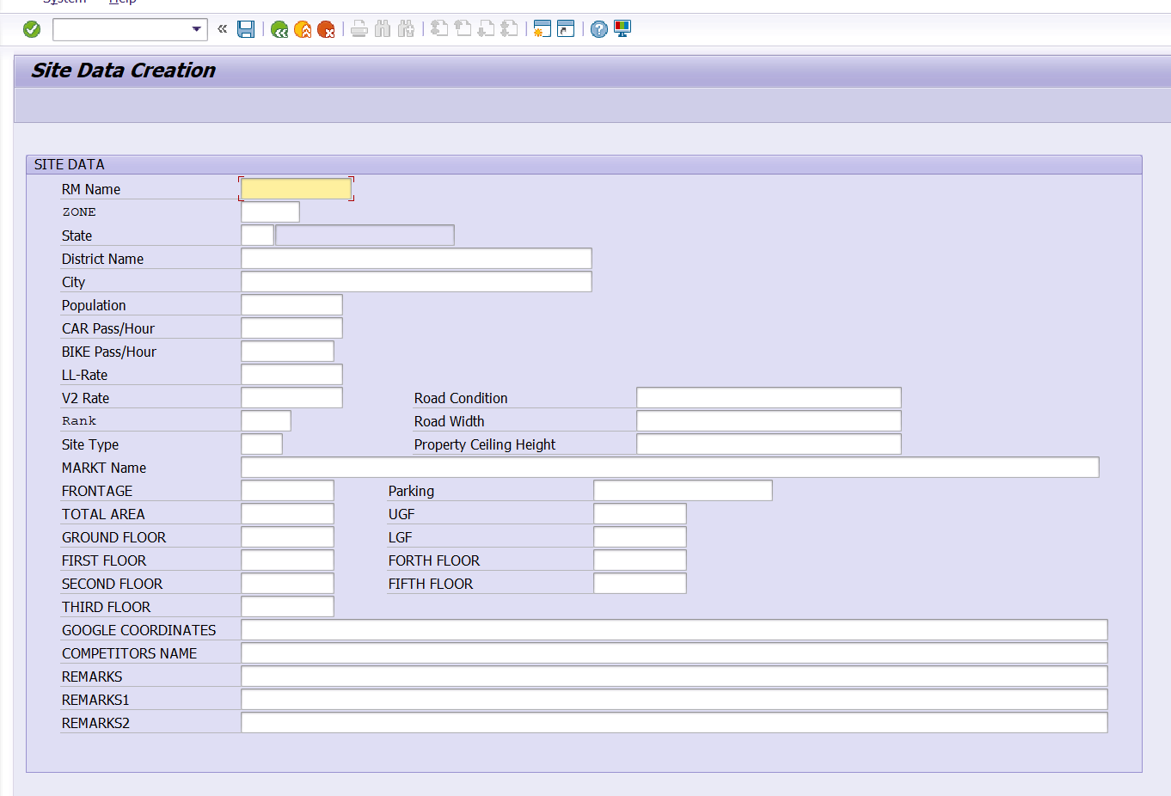
 | FUNCTION SPECIFICATION DOCUMENT FOR BD ROUTING ADDITION
 | List of fields to be added in the T-code for creation of site of BD
SR. NO. | FIELD | DATA TYPE
1 | DISTRICT POPULATION | NUMERIC
2 | CITY POPULATION | NUMERIC
3 | DISTT POPULATION PER KM | NUMERIC
4 | CITY POPULATION PER KM | NUMERIC
5 | LITERACY RATE | NUMERIC
6 | NO OF SCHOOL WITH IN 10 KM | NUMERIC
7 | NO OF COLLAGE /UNIVERCITYWITH IN 10 KM | NUMERIC
8 | AVRAGE HOUSEHOLD INCOME DISTT | NUMERIC
9 | NO OF ATM IN THIS CITY | NUMERIC
10 | NO OF BANK BRANCH IN CITY | NUMERIC
11 | NO OF INDUSTIRES/ FACTORY IN CITY | NUMERIC
12 | UNEMPLOYEMENT RATE IN CITY | NUMERIC
13 | DISTANCE FROM RAILWAYSTATION | NUMERIC
14 | DISTANCE FROM BUS TERMINAL | NUMERIC
15 | NO OF 4 WHEELER PASSING | NUMERIC
16 | NO OF 2 WHEELER PASSING | NUMERIC
17 | NO OF SHOPPING MALL | NUMERIC
18 | NO OF MUTIPLEX CINEMA'S IN CITY | NUMERIC
19 | PRESENCE OF FOOD COURT | NUMERIC

SR. NO. | TASK | FUNCTIONAL | ABAPER | ST DATE | END DATE | AI ROLE
 | FS DOCUMENT PREPARATION | SANDEEP | NA | 20.03.2025 | 20.03.2025 | 50%
1 | ADDITION OF FIELDS IN ZBODY_PICN TABLE | SANDEEP |  | 21.03.2025 | 21.03.2025 | 0%
2 | ADDITION OF FIELDS SELECTION SCREEN | SANDEEP |  | 24.03.2025 | 24.03.2025 | 0%
3 | RFC DEVELOPMENT FOR ADDTION OF FIELDS IN SAP | SANDEEP |  | 25.03.2025 | 25.03.2025 | 0%
4 | DELIVERY OF RFC TO ANDROID AND WEB DEVELOPER | SANDEEP | NIKHIL SIR | 26.03.2024 | 26.03.2025 | 0%
5 | ADDITION OF FIELDS IN ANDROID AND WEB | SANDEEP | NIKHIL SIR | 26.03.2024 | 26.03.2025 | 0%
6 | TESTING OF END TO END PROCESS | SANDEEP | NA | 26.03.2024 | 26.03.2025 | 0%

 | TABLES USED:- | ZBODY_PICN
 | LOGIC:-

ADD THE FOLLOWING FIELDS IN THE TABLE ZBODY_PICN, AND THEN WITH THE HELP OF MODULE POOL ADD THE FOLLOWING FIELDS IN THE SELECTION SCREEN OF T-CODE ZSITE01

CREATION OF 19 CUSTOM FIELDS IN SAP AND FURTHER CORRESPONDING DATA ELEMENT FOR THE SAME FIELDS

SR. NO. | DISPLAY FIELD | DATA TYPE | DATA ELEMENT | LENGTH
1 | DISTRICT POPULATION | NUMC | ZDE_DISTRICT_POP | 10
2 | CITY POPULATION | NUMC | ZDE_CITY_POP | 10
3 | DISTT POPULATION PER KM | DEC | ZDE_DIST_POP_PER_KM | 13,2
4 | CITY POPULATION PER KM | DEC | ZDE_CITY_POP_PER_KM | 13,2
5 | LITERACY RATE | DEC | ZDE_LITERACY_RATE | 5,2
6 | NO OF SCHOOL WITH IN 10 KM | NUMC | ZDE_SCHOOLS_10KM | 5
7 | NO OF COLLAGE /UNIVERCITYWITH IN 10 KM | NUMC | ZDE_COLLEGES_10KM | 5
8 | AVRAGE HOUSEHOLD INCOME DISTT | DEC | ZDE_AVG_INCOME_DISTT | 15,2
9 | NO OF ATM IN THIS CITY | NUMC | ZDE_ATMS_CITY | 5
10 | NO OF BANK BRANCH IN CITY | NUMC | ZDE_BANK_BRANCHES_CITY | 5
11 | NO OF INDUSTIRES/ FACTORY IN CITY | NUMC | ZDE_FACTORIES_CITY | 6
12 | UNEMPLOYEMENT RATE IN CITY | DEC | ZDE_UNEMPLOYMENT_RATE | 5,2
13 | DISTANCE FROM RAILWAYSTATION | DEC | ZDE_DISTANCE_RAILWAY | 6,2
14 | DISTANCE FROM BUS TERMINAL | DEC | ZDE_DISTANCE_BUS | 6,2
15 | NO OF 4 WHEELER PASSING | NUMC | ZDE_4WHEELER_PASSING | 7
16 | NO OF 2 WHEELER PASSING | NUMC | ZDE_2WHEELER_PASSING | 7
17 | NO OF SHOPPING MALL | NUMC | ZDE_SHOPPING_MALLS | 4
18 | NO OF MUTIPLEX CINEMA'S IN CITY | NUMC | ZDE_MULTIPLEX_CINEMAS | 4
19 | PRESENCE OF FOOD COURT | CHAR | ZDE_FOOD_COURT (X = Yes, Blank = No) | 1

